10 Epochs
Step | Training Loss | Validation Loss | Accuracy | F1 | Precision | Recall
10 | 0.7149 | 0.71566 | 0.43698 | 0.58896 | 0.42478 | 0.96
20 | 0.7003 | 0.69851 | 0.46219 | 0.38462 | 0.37037 | 0.4
Training and Validation loss
 | Training Loss | Validation Loss
10 | 0.7149 | 0.715655
20 | 0.7003 | 0.698509
30 | 0.6893 | 0.682979
40 | 0.6792 | 0.684091
50 | 0.6579 | 0.672019
60 | 0.6852 | 0.665065
70 | 0.6711 | 0.660009
80 | 0.6301 | 0.668009
90 | 0.6806 | 0.674211
100 | 0.6888 | 0.676674
110 | 0.5959 | 0.666143
120 | 0.5816 | 0.607846
130 | 0.58 | 0.551255
140 | 0.5376 | 0.55425
150 | 0.4676 | 0.50134
160 | 0.4287 | 0.555319
170 | 0.4487 | 0.628338
180 | 0.3711 | 0.657742
190 | 0.2752 | 0.772149
200 | 0.2957 | 0.701942
210 | 0.2508 | 0.660848
220 | 0.156 | 0.458407
230 | 0.1574 | 0.581515
240 | 0.1289 | 0.444456
250 | 0.121 | 0.472839
260 | 0.0475 | 0.936548
270 | 0.088 | 0.996591
280 | 0.0255 | 1.103809
290 | 0.0524 | 1.019393
300 | 0.0375 | 0.821039
30 | 0.6893 | 0.68298 | 0.57143 | 0 | 0 | 0
40 | 0.6792 | 0.68409 | 0.57983 | 0 | 0 | 0
50 | 0.6579 | 0.67202 | 0.57983 | 0 | 0 | 0
60 | 0.6852 | 0.66507 | 0.57143 | 0.07273 | 0.4 | 0.04
70 | 0.6711 | 0.66001 | 0.58824 | 0.28986 | 0.52632 | 0.2
80 | 0.6301 | 0.66801 | 0.57143 | 0 | 0 | 0
90 | 0.6806 | 0.67421 | 0.55462 | 0.62411 | 0.48352 | 0.88
100 | 0.6888 | 0.67667 | 0.57983 | 0.03846 | 0.5 | 0.02
110 | 0.5959 | 0.66614 | 0.61345 | 0.23333 | 0.7 | 0.14
120 | 0.5816 | 0.60785 | 0.63866 | 0.35821 | 0.70588 | 0.24
130 | 0.58 | 0.55126 | 0.7395 | 0.69903 | 0.67925 | 0.72
140 | 0.5376 | 0.55425 | 0.76471 | 0.66667 | 0.82353 | 0.56
150 | 0.4676 | 0.50134 | 0.76471 | 0.72549 | 0.71154 | 0.74
160 | 0.4287 | 0.55532 | 0.76471 | 0.65854 | 0.84375 | 0.54
170 | 0.4487 | 0.62834 | 0.68067 | 0.44118 | 0.83333 | 0.3
180 | 0.3711 | 0.65774 | 0.68067 | 0.42424 | 0.875 | 0.28
190 | 0.2752 | 0.77215 | 0.65546 | 0.34921 | 0.84615 | 0.22
200 | 0.2957 | 0.70194 | 0.72269 | 0.54795 | 0.86957 | 0.4
210 | 0.2508 | 0.66085 | 0.7395 | 0.58667 | 0.88 | 0.44
220 | 0.156 | 0.45841 | 0.81513 | 0.75 | 0.86842 | 0.66
230 | 0.1574 | 0.58152 | 0.78151 | 0.66667 | 0.92857 | 0.52
240 | 0.1289 | 0.44446 | 0.84034 | 0.8 | 0.84444 | 0.76
250 | 0.121 | 0.47284 | 0.84874 | 0.82353 | 0.80769 | 0.84
260 | 0.0475 | 0.93655 | 0.76471 | 0.62162 | 0.95833 | 0.46
270 | 0.088 | 0.99659 | 0.7563 | 0.60274 | 0.95652 | 0.44
280 | 0.0255 | 1.10381 | 0.76471 | 0.64103 | 0.89286 | 0.5
290 | 0.0524 | 1.01939 | 0.78992 | 0.6988 | 0.87879 | 0.58
300 | 0.0375 | 0.82104 | 0.83193 | 0.78723 | 0.84091 | 0.74

5 Epcohs (early stopping)
Step | Training Loss | Validation Loss | Accuracy | F1 | Precision | Recall
10 | 0.6987 | 0.688448 | 0.571429 | 0 | 0 | 0
20 | 0.6447 | 0.687092 | 0.571429 | 0 | 0 | 0
30 | 0.6962 | 0.678106 | 0.571429 | 0 | 0 | 0
Training and Validation Loss - Early Stopping
40 | 0.6345 | 0.680121 | 0.571429 | 0 | 0 | 0
50 | 0.7357 | 0.683977 | 0.571429 | 0 | 0 | 0
60 | 0.6431 | 0.679578 | 0.571429 | 0 | 0 | 0
70 | 0.6611 | 0.678593 | 0.571429 | 0 | 0 | 0
80 | 0.6336 | 0.66676 | 0.571429 | 0 | 0 | 0
90 | 0.6634 | 0.676006 | 0.579832 | 0.074074 | 0.666667 | 0.039216
100 | 0.6632 | 0.668518 | 0.571429 | 0 | 0 | 0
110 | 0.6579 | 0.653797 | 0.596639 | 0.172414 | 0.714286 | 0.098039
120 | 0.6149 | 0.642916 | 0.605042 | 0.338028 | 0.6 | 0.235294
130 | 0.5219 | 0.717563 | 0.571429 | 0.163934 | 0.5 | 0.098039
140 | 0.4937 | 0.713504 | 0.613445 | 0.30303 | 0.666667 | 0.196078
150 | 0.5048 | 0.764718 | 0.613445 | 0.323529 | 0.647059 | 0.215686

5 Epochs removing l1,c3,mag,roc
Step | Training Loss | Validation Loss | Accuracy | F1 | Precision | Recall
10 | 0.694 | 0.705579 | 0.457447 | 0.43956 | 0.425532 | 0.454545
20 | 0.6902 | 0.696379 | 0.5 | 0.356164 | 0.448276 | 0.295455
30 | 0.692 | 0.700222 | 0.5 | 0.338028 | 0.444444 | 0.272727
40 | 0.6957 | 0.699133 | 0.510638 | 0 | 0 | 0
50 | 0.6982 | 0.697798 | 0.531915 | 0 | 0 | 0
60 | 0.6679 | 0.695547 | 0.531915 | 0 | 0 | 0
70 | 0.6778 | 0.680634 | 0.542553 | 0.156863 | 0.571429 | 0.090909
80 | 0.6713 | 0.677331 | 0.542553 | 0.271186 | 0.533333 | 0.181818
90 | 0.6465 | 0.700137 | 0.531915 | 0 | 0 | 0
100 | 0.6641 | 0.665237 | 0.595745 | 0.344828 | 0.714286 | 0.227273
110 | 0.6285 | 0.664251 | 0.585106 | 0.338983 | 0.666667 | 0.227273
120 | 0.5996 | 0.616542 | 0.670213 | 0.643678 | 0.651163 | 0.636364

10 Epochs removing l1,c3,mag,ro
Training and Validation Loss 10 Epochs Removing l1,c3,mag,rock
Step | Training Loss | Validation Loss | Accuracy | F1 | Precision | Recall
10 | 0.727 | 0.771944 | 0.468085 | 0 | 0 | 0
20 | 0.7118 | 0.728111 | 0.5 | 0.175439 | 0.625 | 0.102041
30 | 0.6732 | 0.730099 | 0.478723 | 0.075472 | 0.5 | 0.040816
40 | 0.698 | 0.707315 | 0.5 | 0.145455 | 0.666667 | 0.081633
50 | 0.674 | 0.663998 | 0.606383 | 0.593407 | 0.642857 | 0.55102
60 | 0.6286 | 0.681387 | 0.542553 | 0.376812 | 0.65 | 0.265306
70 | 0.6268 | 0.648552 | 0.62766 | 0.615385 | 0.666667 | 0.571429
80 | 0.6026 | 0.63668 | 0.606383 | 0.564706 | 0.666667 | 0.489796
90 | 0.6667 | 0.629472 | 0.617021 | 0.590909 | 0.666667 | 0.530612
100 | 0.5871 | 0.605739 | 0.659574 | 0.692308 | 0.654545 | 0.734694
110 | 0.5452 | 0.625549 | 0.648936 | 0.592593 | 0.75 | 0.489796
120 | 0.5307 | 0.586302 | 0.670213 | 0.704762 | 0.660714 | 0.755102
130 | 0.4866 | 0.567964 | 0.723404 | 0.717391 | 0.767442 | 0.673469
140 | 0.467 | 0.641144 | 0.680851 | 0.615385 | 0.827586 | 0.489796
150 | 0.4095 | 0.519163 | 0.723404 | 0.75 | 0.709091 | 0.795918
160 | 0.3194 | 0.508443 | 0.755319 | 0.776699 | 0.740741 | 0.816327
170 | 0.2825 | 0.494524 | 0.755319 | 0.776699 | 0.740741 | 0.816327
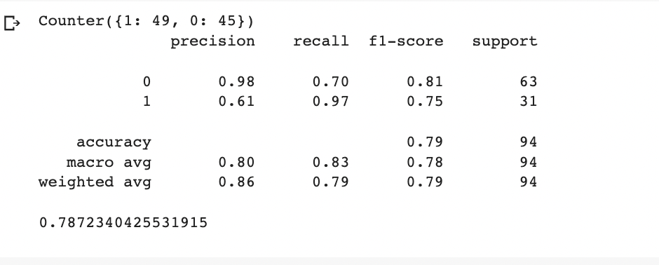
180 | 0.1889 | 0.507591 | 0.776596 | 0.769231 | 0.833333 | 0.714286
190 | 0.1934 | 0.441793 | 0.797872 | 0.791209 | 0.857143 | 0.734694
200 | 0.145 | 0.42419 | 0.829787 | 0.829787 | 0.866667 | 0.795918
210 | 0.1225 | 0.686334 | 0.776596 | 0.820513 | 0.705882 | 0.979592
220 | 0.2645 | 0.546343 | 0.787234 | 0.767442 | 0.891892 | 0.673469
230 | 0.0991 | 0.58138 | 0.808511 | 0.785714 | 0.942857 | 0.673469
240 | 0.1059 | 0.690754 | 0.787234 | 0.75 | 0.967742 | 0.612245

8 Epochs removing l1,c3,mag,ro
Training and Validation Loss 10 Epochs Removing l1,c3,mag,rock
Step | Training Loss | Validation Loss | Accuracy | F1 | Precision | Recall
10 | 0.6974 | 0.697105 | 0.43617 | 0.345679 | 0.4375 | 0.285714
20 | 0.6946 | 0.698387 | 0.489362 | 0.142857 | 0.571429 | 0.081633
30 | 0.6653 | 0.702594 | 0.478723 | 0 | 0 | 0
40 | 0.683 | 0.708563 | 0.478723 | 0 | 0 | 0
50 | 0.697 | 0.707303 | 0.478723 | 0 | 0 | 0
60 | 0.683 | 0.704072 | 0.478723 | 0 | 0 | 0
70 | 0.653 | 0.700532 | 0.478723 | 0 | 0 | 0
80 | 0.6294 | 0.689365 | 0.585106 | 0.380952 | 0.857143 | 0.244898
90 | 0.6113 | 0.655867 | 0.574468 | 0.666667 | 0.56338 | 0.816327
100 | 0.5849 | 0.630241 | 0.702128 | 0.631579 | 0.888889 | 0.489796
110 | 0.5927 | 0.708688 | 0.606383 | 0.430769 | 0.875 | 0.285714
120 | 0.5124 | 0.55489 | 0.744681 | 0.773585 | 0.719298 | 0.836735
130 | 0.4793 | 0.577807 | 0.659574 | 0.737705 | 0.616438 | 0.918367
140 | 0.4527 | 0.567592 | 0.712766 | 0.674699 | 0.823529 | 0.571429
150 | 0.4483 | 0.524996 | 0.744681 | 0.793103 | 0.686567 | 0.938776
160 | 0.3871 | 0.500949 | 0.787234 | 0.767442 | 0.891892 | 0.673469
170 | 0.3546 | 0.500014 | 0.787234 | 0.767442 | 0.891892 | 0.673469
180 | 0.2463 | 0.523927 | 0.744681 | 0.733333 | 0.804878 | 0.673469
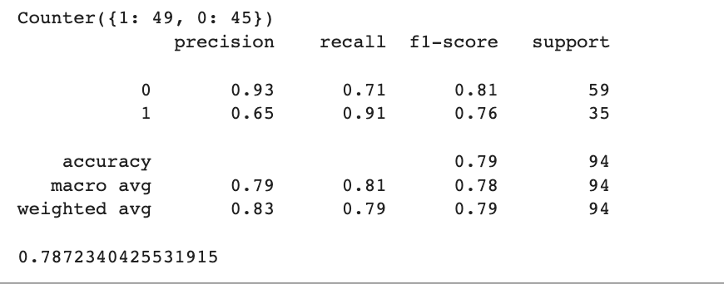
190 | 0.2584 | 0.497351 | 0.797872 | 0.781609 | 0.894737 | 0.693878
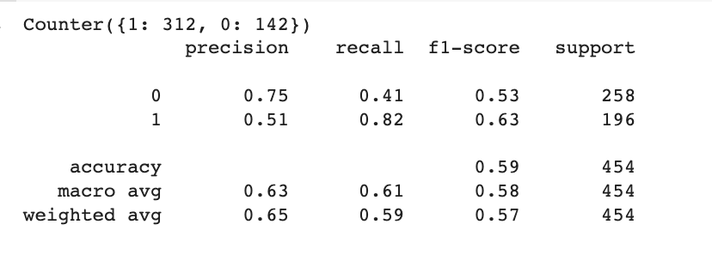
 |  |  |  |  |  |  | Evaluation Sentences after training ->

Results per wet lab sentence->

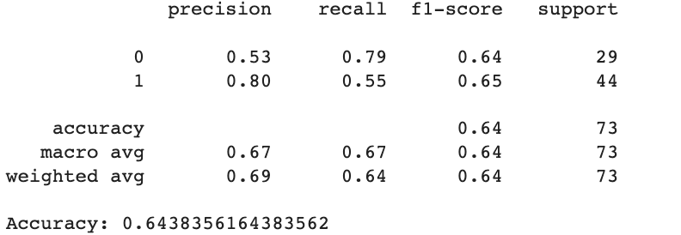
Results per wet lab molecule -> |  |  |  |  |  |  |  | T-test known molecules ->

 |  |  |  |  |  |  |  | T-test wet-lab sentences ->

 |  |  |  |  |  |  | T-test per molecule basis wet lab molecules ->

Results per molecule >4905 tokens ->

Results per molecule <4905 tokens ->

8 Epochs rem. l1,c3,mag,rock,li
Step | Training Loss | Validation Loss | Accuracy | F1 | Precision | Recall
10 | 0.6975 | 0.701673 | 0.554348 | 0.046512 | 0.333333 | 0.025 |  | Training sentences split -> Counter({0: 255, 1: 202})
20 | 0.681 | 0.681104 | 0.597826 | 0.27451 | 0.636364 | 0.175
30 | 0.7295 | 0.678237 | 0.543478 | 0.416667 | 0.46875 | 0.375
40 | 0.6775 | 0.67151 | 0.576087 | 0.133333 | 0.6 | 0.075
50 | 0.6443 | 0.675138 | 0.576087 | 0.093023 | 0.666667 | 0.05
60 | 0.6401 | 0.651224 | 0.619565 | 0.507042 | 0.580645 | 0.45
70 | 0.6535 | 0.638535 | 0.641304 | 0.582278 | 0.589744 | 0.575
80 | 0.5967 | 0.664921 | 0.586957 | 0.269231 | 0.583333 | 0.175
90 | 0.6189 | 0.607773 | 0.673913 | 0.634146 | 0.619048 | 0.65
100 | 0.5434 | 0.792576 | 0.576087 | 0.04878 | 1 | 0.025
110 | 0.6412 | 0.592971 | 0.706522 | 0.674699 | 0.651163 | 0.7
120 | 0.5661 | 0.577728 | 0.684783 | 0.613333 | 0.657143 | 0.575
130 | 0.5091 | 0.680472 | 0.663043 | 0.436364 | 0.8 | 0.3
140 | 0.4528 | 0.596674 | 0.695652 | 0.5625 | 0.75 | 0.45
150 | 0.3684 | 0.67238 | 0.717391 | 0.551724 | 0.888889 | 0.4
160 | 0.4524 | 0.485212 | 0.771739 | 0.727273 | 0.756757 | 0.7
170 | 0.2805 | 0.504185 | 0.728261 | 0.626866 | 0.777778 | 0.525
180 | 0.2509 | 0.536072 | 0.782609 | 0.714286 | 0.833333 | 0.625

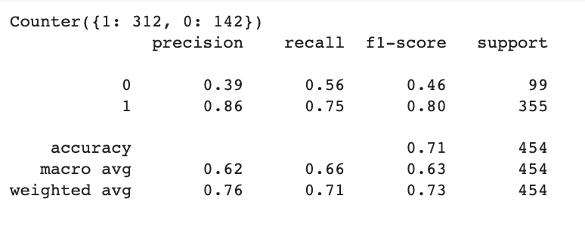
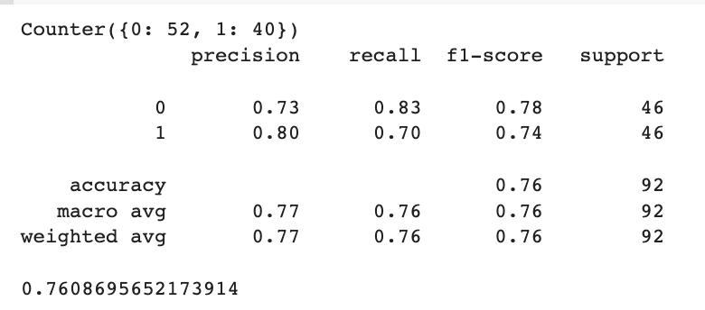

Results per wet lab sentence-> |  |  |  |  |  |  | Evaluation after training ->

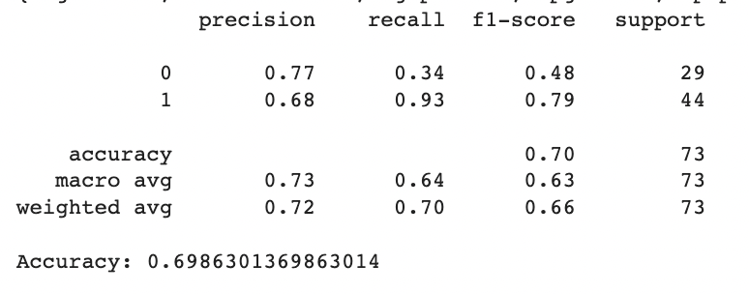
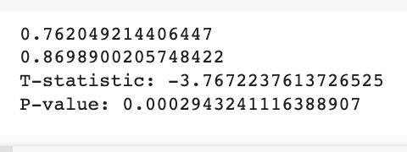

Results per wet lab molecule -> |  |  |  |  |  |  |  | T-test known molecules ->

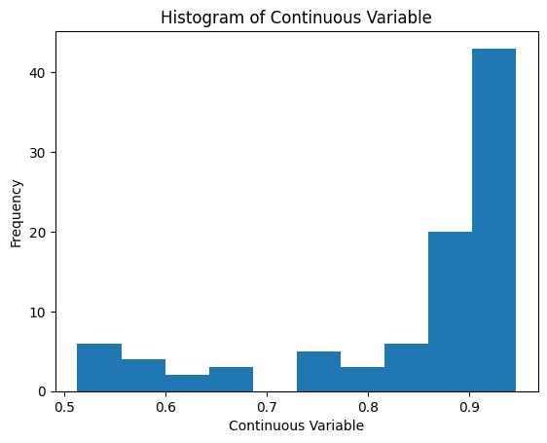

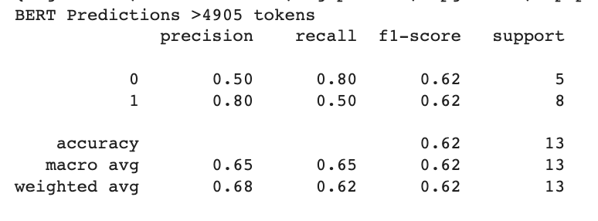
 |  |  |  |  |  |  |  | Graph known molecules ->
Results per molecule >4905 tokens ->

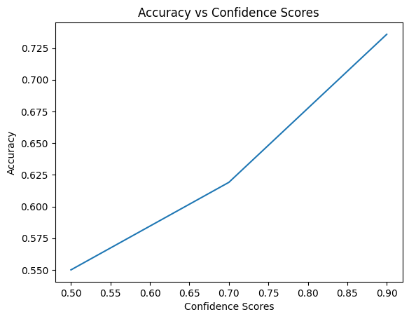

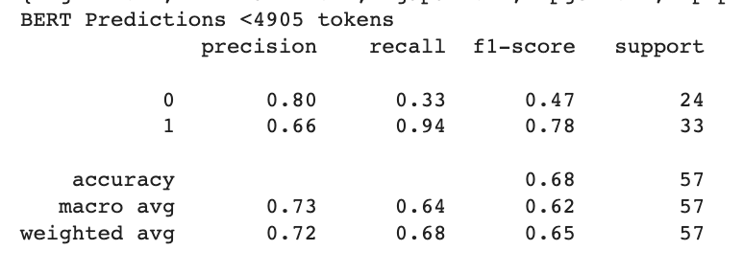

 |  |  |  |  |  |  |  | T-test wet-lab sentences -> | T-test wet-lab sentences ->
Results per molecule <4905 tokens ->

 |  |  |  |  |  |  | T-test per molecule basis wet lab molecules ->

BioBert 10 Epochs removing 4 mo
Step | Training Loss | Validation Loss | Accuracy | F1 | Precision | Recall
10 | 0.7552 | 0.75066 | 0.428571 | 0.594203 | 0.427083 | 0.97619
20 | 0.734 | 0.698551 | 0.540816 | 0.579439 | 0.476923 | 0.738095
30 | 0.7028 | 0.677001 | 0.591837 | 0.230769 | 0.6 | 0.142857
40 | 0.6882 | 0.672623 | 0.581633 | 0.046512 | 1 | 0.02381
50 | 0.676 | 0.66778 | 0.612245 | 0.208333 | 0.833333 | 0.119048
60 | 0.6616 | 0.657157 | 0.642857 | 0.339623 | 0.818182 | 0.214286
70 | 0.6616 | 0.64491 | 0.673469 | 0.698113 | 0.578125 | 0.880952
80 | 0.6307 | 0.616504 | 0.693878 | 0.464286 | 0.928571 | 0.309524
90 | 0.6004 | 0.604692 | 0.673469 | 0.703704 | 0.575758 | 0.904762
100 | 0.5826 | 0.574317 | 0.714286 | 0.5 | 1 | 0.333333
110 | 0.4688 | 0.539693 | 0.734694 | 0.617647 | 0.807692 | 0.5
120 | 0.4908 | 0.509073 | 0.77551 | 0.744186 | 0.727273 | 0.761905
130 | 0.3821 | 0.471256 | 0.744898 | 0.705882 | 0.697674 | 0.714286
140 | 0.3285 | 0.520446 | 0.744898 | 0.752475 | 0.644068 | 0.904762
150 | 0.2381 | 0.682622 | 0.642857 | 0.700855 | 0.546667 | 0.97619
160 | 0.2072 | 0.478218 | 0.77551 | 0.738095 | 0.738095 | 0.738095
170 | 0.1733 | 0.467128 | 0.785714 | 0.695652 | 0.888889 | 0.571429
180 | 0.1005 | 0.463309 | 0.785714 | 0.758621 | 0.733333 | 0.785714
190 | 0.0827 | 0.640766 | 0.714286 | 0.708333 | 0.62963 | 0.809524
200 | 0.1711 | 0.690643 | 0.785714 | 0.704225 | 0.862069 | 0.595238
210 | 0.146 | 0.545058 | 0.795918 | 0.74359 | 0.805556 | 0.690476
220 | 0.0639 | 0.599861 | 0.795918 | 0.772727 | 0.73913 | 0.809524
230 | 0.0372 | 0.773736 | 0.77551 | 0.65625 | 0.954545 | 0.5
240 | 0.0429 | 0.92628 | 0.765306 | 0.634921 | 0.952381 | 0.47619
250 | 0.0462 | 0.600235 | 0.826531 | 0.760563 | 0.931034 | 0.642857

BioBert 8 Epochs removing 4 mo
Step | Training Loss | Validation Loss | Accuracy | F1 | Precision | Recall
10 | 0.6927 | 0.69129 | 0.55102 | 0.043478 | 0.25 | 0.02381
20 | 0.6906 | 0.687403 | 0.581633 | 0.046512 | 1 | 0.02381
30 | 0.7041 | 0.683851 | 0.571429 | 0 | 0 | 0
40 | 0.6878 | 0.683087 | 0.581633 | 0.088889 | 0.666667 | 0.047619
50 | 0.6839 | 0.683071 | 0.55102 | 0.3125 | 0.454545 | 0.238095
60 | 0.6855 | 0.679538 | 0.55102 | 0.421053 | 0.470588 | 0.380952
70 | 0.6882 | 0.66854 | 0.612245 | 0.472222 | 0.566667 | 0.404762
80 | 0.6385 | 0.654306 | 0.591837 | 0.310345 | 0.5625 | 0.214286
90 | 0.639 | 0.678277 | 0.581633 | 0.637168 | 0.507042 | 0.857143
100 | 0.6247 | 0.625031 | 0.673469 | 0.673469 | 0.589286 | 0.785714
110 | 0.5333 | 0.602059 | 0.653061 | 0.392857 | 0.785714 | 0.261905
120 | 0.5203 | 0.559516 | 0.72449 | 0.584615 | 0.826087 | 0.452381
130 | 0.3758 | 0.528474 | 0.77551 | 0.738095 | 0.738095 | 0.738095
140 | 0.3227 | 0.483577 | 0.755102 | 0.612903 | 0.95 | 0.452381
150 | 0.3504 | 0.570971 | 0.72449 | 0.526316 | 1 | 0.357143
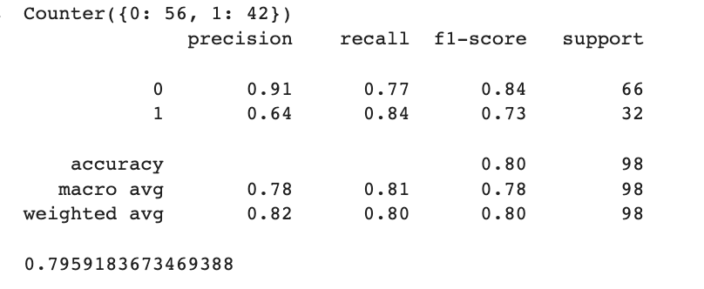
160 | 0.2325 | 0.489171 | 0.765306 | 0.656716 | 0.88 | 0.52381
170 | 0.1344 | 0.454201 | 0.785714 | 0.72 | 0.818182 | 0.642857
180 | 0.1137 | 0.429499 | 0.785714 | 0.758621 | 0.733333 | 0.785714
190 | 0.0884 | 0.493771 | 0.795918 | 0.791667 | 0.703704 | 0.904762 |  | After evaluation ->
200 | 0.0625 | 0.448497 | 0.795918 | 0.72973 | 0.84375 | 0.642857

 |  |  |  |  |  |  |  |  | This column is all evaluating on CASED sentences |  | This column is all evaluating on UNCASED sentences
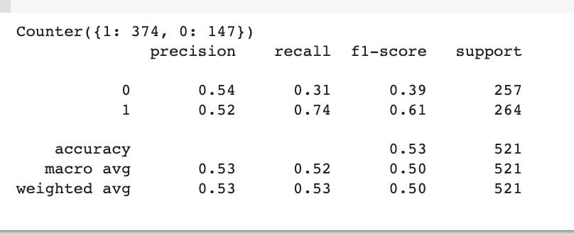
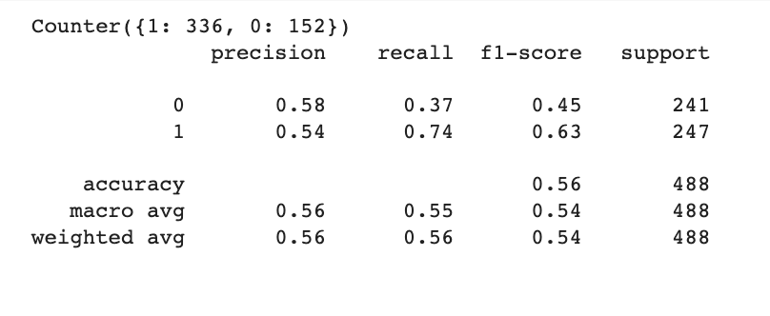
 |  |  |  |  |  |  |  |  |  | 73 wet lab moleculs per sentence ->
 |  |  |  |  |  |  | All 102 wet lab molecules per sentence ->

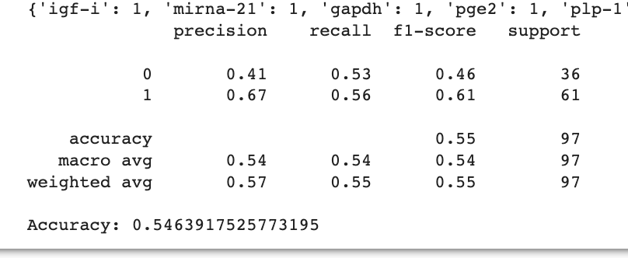
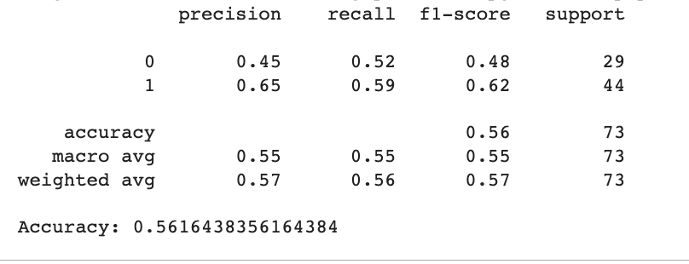
 |  |  |  |  |  |  | All 102 wet lab molecules per molecule |  |  | 73 wet lab molecules per molecule ->

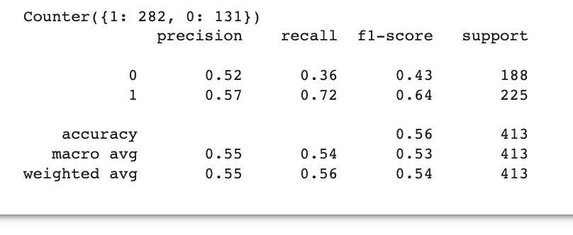

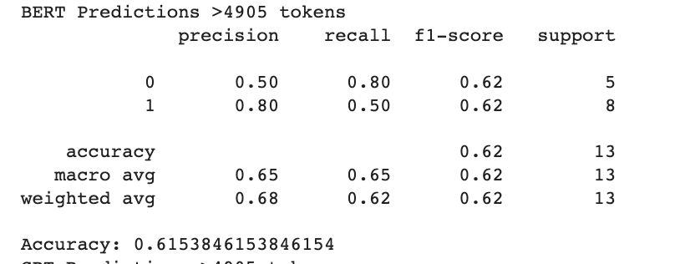
 |  |  |  |  |  |  |  |  |  | 73 molecules >4905 tokens ->
 |  |  |  |  |  |  | 73 wet lab moleculs per sentence ->

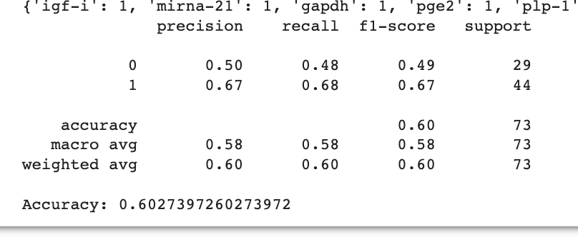

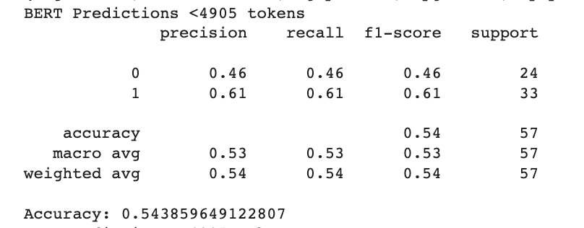
 |  |  |  |  |  |  | 73 wet lab molecules per molecule -> |  |  | 73 molecules <4905 tokens ->

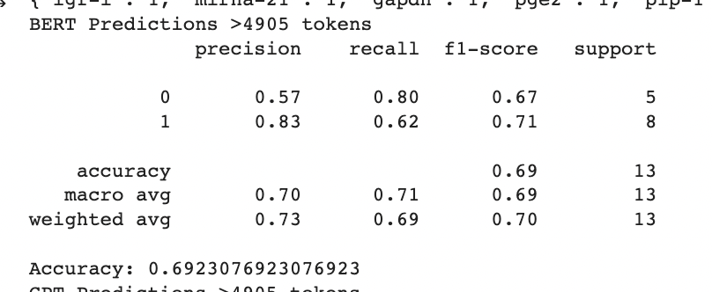

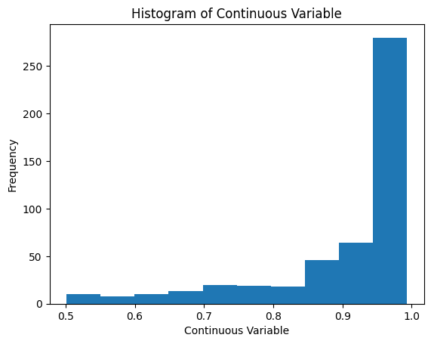

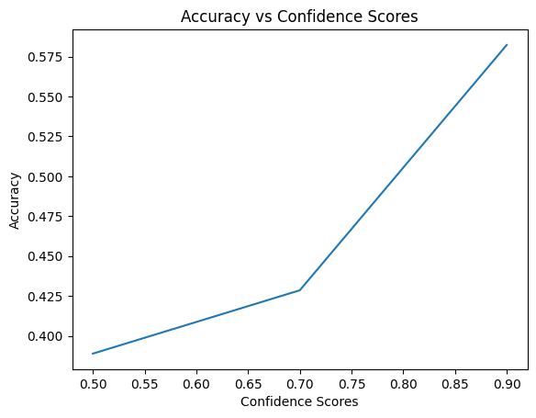
 |  |  |  |  |  |  | 73 molecules >4905 tokens -> |  |  | 73 molecules Confidence score significant per sentence basis ->
 |  |  |  |  |  |  |  |  |  |  |  | <- Per sentence uncased ->

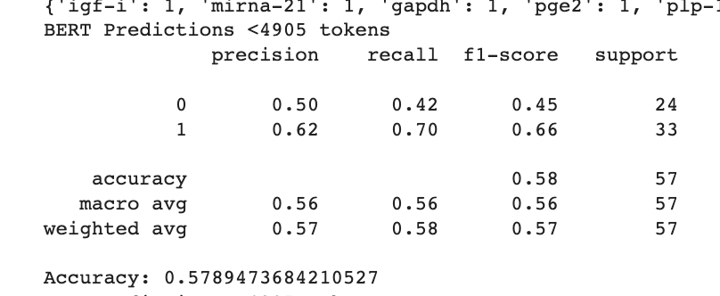

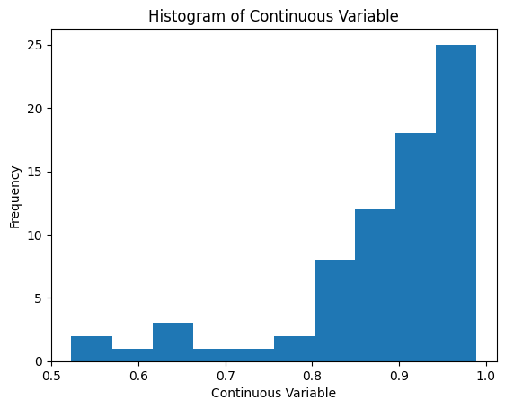
 |  |  |  |  |  |  | 73 molecules <4905 tokens -> |  |  | 73 molecules Confidence score not significant per molecule basis ->

 |  |  |  |  |  |  |  |  |  |  |  | <- Per molecule uncased ->

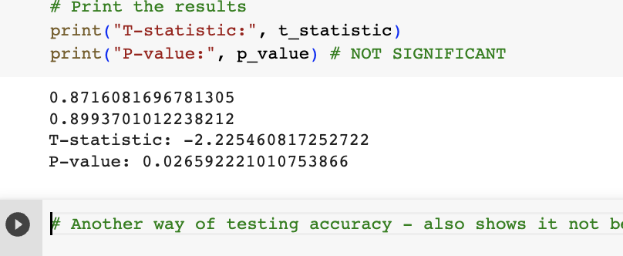

 |  |  |  |  |  | 73 molecules Confidence score significant per sentence basis ->

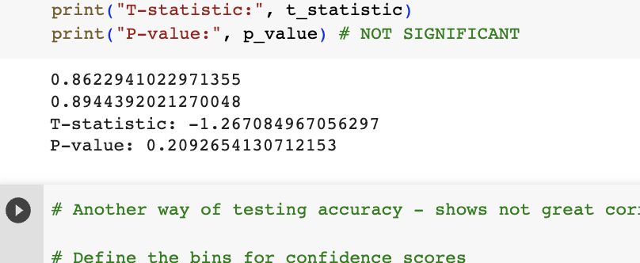

 |  |  |  |  |  | 73 molecules Confidence score not significant per molecule basis ->

Data Characterization
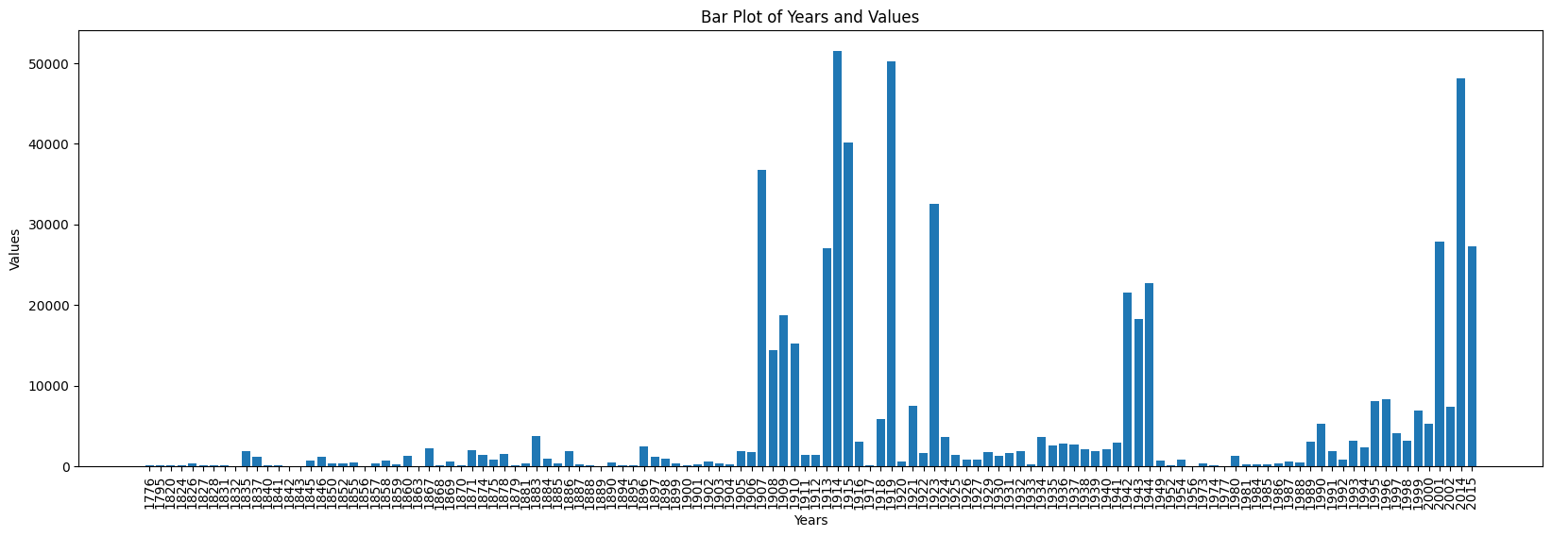

Overall distribution all sentences ->

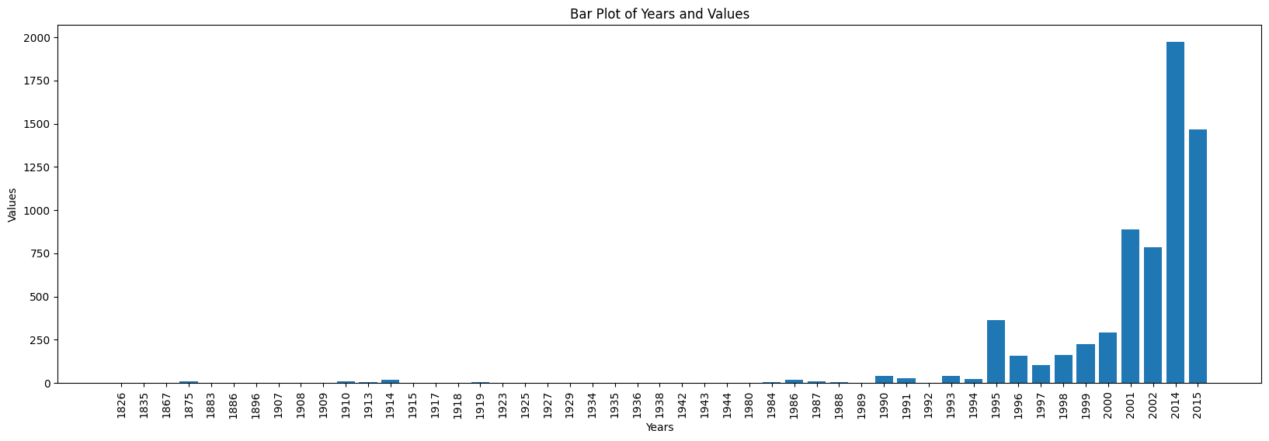

Known Molecules Masked Sentences ->

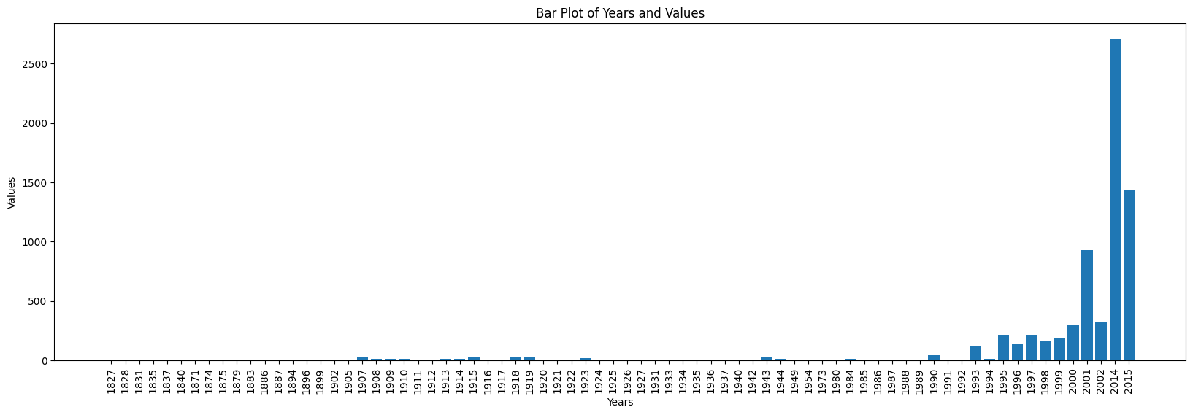

Wet Lab Molecules Masked Sentences ->



Duplicate keys ->

